Sheet1
Chapter 3
3-1A

 |  | Debit | Credit
a | Office supplies expense | 12760
 | Office supplies |  | 12760
b

c | Salaries expense | 4200
 | Salaries payable |  | 4200
d | Depre building | 27000
 | Accum depre building |  | 27000
e | Accounts receivable | 2400
 | Rent earned |  | 2400
f | Unearned rent | 4350
 | Rent earned |  | 4350

 |  | Debit | Credit
c | Salaries expense | 6300
 | Salaries payable | 4200
 | Cash |  | 10500

e | Cash | 4800
 | Accounts receivable |  | 2400
 | Rent earned |  | 2400

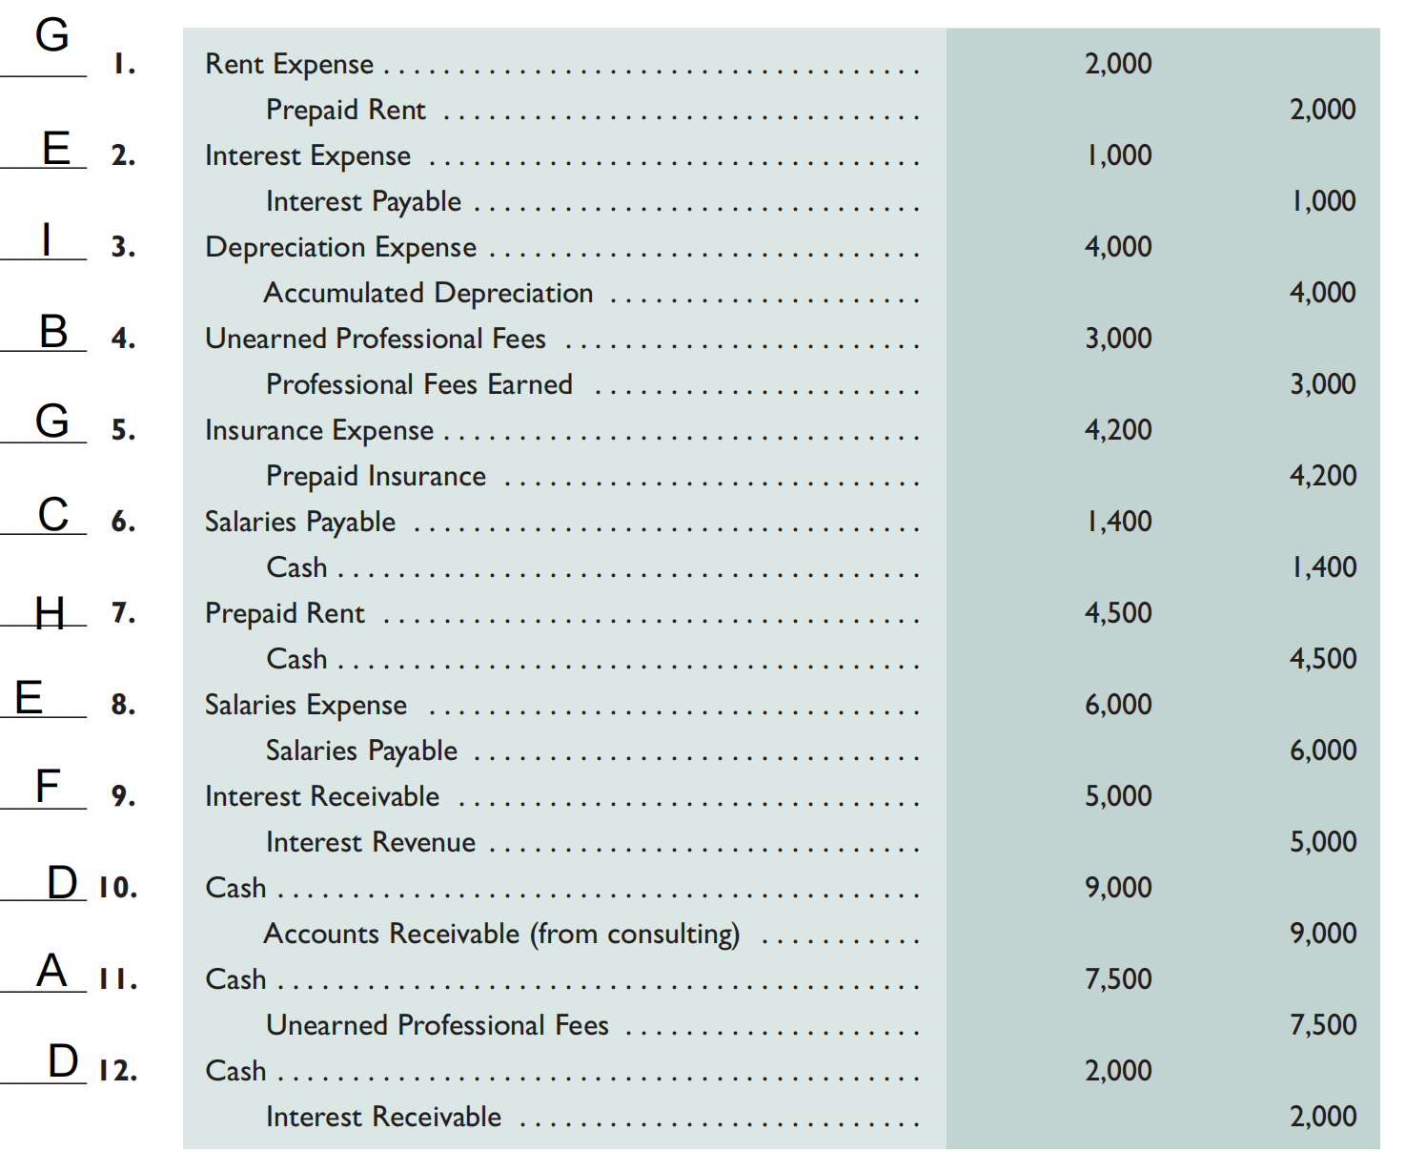
3-2A

3-3A

Cash |  | Accounts receivable |  | Teaching supplies |  | Prepaid insurance |  |  | Prepaid rent |  |  | Professional library |  | Accumulated depreciation—Professional library |  |  | Equipment |  | Accumulated depreciation—Equipment |  | Accounts payable |  | Salaries payable |  | Unearned training fees |  | T. Watson, Capital |  | T. Watson, Withdrawals |  | Tuition fees earned |  | Training fees earned |  | Depreciation expense —Professional library |  | Depreciation expense—Equipment |  | Salaries expense |  | Insurance expense |  | Rent expense |  | Teaching supplies expense |  | Advertising expense |  | Utilities expense
Debit | Credit | Debit | Credit | Debit | Credit | Debit | Credit |  | Debit | Credit |  | Debit | Credit | Debit | Credit |  | Debit | Credit | Debit | Credit | Debit | Credit | Debit | Credit | Debit | Credit | Debit | Credit | Debit | Credit | Debit | Credit | Debit | Credit | Debit | Credit | Debit | Credit | Debit | Credit | Debit | Credit | Debit | Credit | Debit | Credit | Debit | Credit | Debit | Credit
26000 |  | 7500 |  | 10000 |  | 15000 |  |  | 2000 |  |  | 30000 |  |  | 9000 |  | 70000 |  |  | 16000 |  | 36000 |  | 400 |  | 11000 |  | 63600 | 40000 |  |  | 102000 |  | 38000 | 6000 |  | 12000 |  | 48000 |  | 3000 |  | 22000 |  | 7400 |  | 7000 |  | 5600
 |  |  |  |  | 7400 |  | 3000 |  |  | 2000 |  |  |  |  | 6000 |  |  |  |  | 12000 |  |  |  |  | 4400 |  |  |  |  |  |  | 7500 |  | 4400 |  |  |  |  | 400 |  |  |  | 2000
26000 |  | 7500 |  | 2600 |  | 12000 |  |  | 0 |  |  | 30000 |  |  | 15000 |  | 70000 |  |  | 28000 |  | 36000 |  | 400 |  | 6600 |  | 63600 | 40000 |  |  | 109500 |  | 42400 | 6000 |  | 12000 |  | 48400 |  | 3000 |  | 24000 |  | 7400 |  | 7000 |  | 5600

 |  |  |  |  |  | Debit | Credit
 |  | Debit | Credit |  | Cash | 26000
a | Isurance expense | 3000 |  |  | Accounts receivable | 7500
 | Prepaid isurance |  | 3000 |  | Teaching supplies | 2600
b | Teaching supplies expense | 7400 |  |  | Prepaid insurance | 12000
 | Teaching supplies |  | 7400 |  | Prepaid rent | 0
c | Depre equipment | 12000 |  |  | Professional library | 30000
 | Accum depre equipment |  | 12000 |  | Accumulated depreciation—Professional library |  | 15000
d | Depre library | 6000 |  |  | Equipment | 70000
 | Accum depre library |  | 6000 |  | Accumulated depreciation—Equipment |  | 28000
e | Unearned training fees | 4400 |  |  | Accounts payable |  | 36000
 | Training fees earned |  | 4400 |  | Salaries payable |  | 400
f | Accounts receivable | 7500 |  |  | Unearned training fees |  | 6600
 | Tuition fees earned |  | 7500 |  | T. Watson, Capital |  | 63600
g | Salaries expense | 400 |  |  | T. Watson, Withdrawals | 40000
 | Salaries payable |  | 400 |  | Tuition fees earned |  | 109500
h | Rent expense | 2000 |  |  | Training fees earned |  | 42400
 | Prepaid rent |  | 2000 |  | Depreciation expense —Professional library | 6000
 |  | 42700 | 42700 |  | Depreciation expense—Equipment | 12000
 |  |  |  |  | Salaries expense | 48400
 |  |  |  |  | Insurance expense | 3000
 |  |  |  |  | Rent expense | 24000
 |  |  |  |  | Teaching supplies expense | 7400
 |  |  |  |  | Advertising expense | 7000
 |  |  |  |  | Utilities expense | 5600
 |  |  |  |  | Total | 301500 | 301500

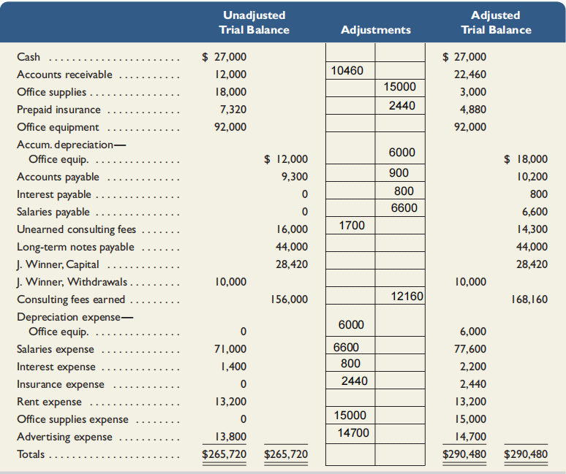
3-4A
 |  |  |  |  |  |  |  | Income Statement |  |  |  |  |  | Balance sheet
 |  |  |  |  |  |  |  | Consulting fees earned |  |  |  | 168160 |  | Assets
 |  |  |  |  |  |  |  |  |  |  |  |  |  | Cash |  |  | 27000
 |  |  |  |  |  |  |  | Depre expense - office equipment |  |  | 6000 |  |  | Accounts receivable |  |  | 22460
 |  |  |  |  |  |  |  | Salaries expense |  |  | 77600 |  |  | Office supplies |  |  | 3000
 |  |  |  |  |  |  |  | Interest expense |  |  | 2200 |  |  | Prepaid insurance |  |  | 4880
 |  |  |  |  |  |  |  | Insurance expense |  |  | 2440 |  |  | Office equipment |  | 92000
 |  |  |  |  |  |  |  | Rent expense |  |  | 13200 |  |  | Accumulated depreciation—Equipment |  | 18000 | 74000
 |  |  |  |  |  |  |  | Office supplies expense |  |  | 15000 |  |  | Total |  |  | 131340
 |  |  |  |  |  |  |  | Advertising expense |  |  | 14700
 |  |  |  |  |  |  |  | Total expense |  |  |  | 131140 |  | Liabilities & Equity
 |  |  |  |  |  |  |  | Net income |  |  |  | 37020 |  | Accounts payable |  |  | 10200
 |  |  |  |  |  |  |  |  |  |  |  |  |  | Interest payable |  |  | 800
 |  |  |  |  |  |  |  |  |  |  |  |  |  | Salaries payable |  |  | 6600
 |  |  |  |  |  |  |  |  |  |  |  |  |  | Unearned consulting fees |  |  | 14300
 |  |  |  |  |  |  |  |  | Statement owner's equity |  |  |  |  | Long-term notes payable |  |  | 44000
 |  |  |  |  |  |  |  |  | owner capital |  | 28420 |  |  | capital |  |  | 55440
 |  |  |  |  |  |  |  |  | net income |  | 37020 |  |  | Total |  |  | 131340
 |  |  |  |  |  |  |  |  | owner withdrawals |  | 10000
 |  |  |  |  |  |  |  |  | owner' equity |  | 55440

3-5A

 | Income statement |  |  |  | Statement owner's equity |  |  | Balance sheet
 | Fee earned |  | 420000 |  | owner capital | 247800 |  | Assets
 | Interest earnes |  | 16000 |  | net income | 79200 |  | Cash |  |  | 22000
 |  |  |  |  | owner withdrawals | 38000 |  | Accounts receivable |  |  | 44000
 | Depreciation expense - automobiles |  | 18000 |  | owner' equity | 289000 |  | Interest receivable |  |  | 10000
 | Depreciation expense - Equipment |  | 10000 |  |  |  |  | Notes receivable |  |  | 160000
 | Salaries expense |  | 180000 |  |  |  |  | Office supplies |  |  | 8000
 | Wages expense |  | 32000 |  |  |  |  | Automobiles |  | 160000
 | Interest expense |  | 24000 |  |  |  |  | Accumulated depreciation - Automobiles |  | 42000 | 118000
 | Office supplies expense |  | 26000 |  |  |  |  | Equipment |  | 130000
 | Advertising expense |  | 50000 |  |  |  |  | Accumulated depreciation—Equipment |  | 10000 | 120000
 | Repairs expense - automobiles |  | 16800 |  |  |  |  | Land |  |  | 70000
 | Net income |  | 79200 |  |  |  |  | Total |  |  | 552000

 |  |  |  |  |  |  |  | Liabilities & Equity
 |  |  |  |  |  |  |  | Accounts payable |  |  | 88000
 |  |  |  |  |  |  |  | Interest payable |  |  | 12000
 |  |  |  |  |  |  |  | Salaries payable |  |  | 11000
 |  |  |  |  |  |  |  | Unearned consulting fees |  |  | 22000
 |  |  |  |  |  |  |  | Long-term notes payable |  |  | 130000
 |  |  |  |  |  |  |  | capital |  |  | 289000
 |  |  |  |  |  |  |  | Total |  |  | 552000

